Sheet1
Large Ashiko: 464 Piece Pattern 2 |  |  |  | Segments per Ring: 16 |  |  | Ring Thickness: 0.875 |  |  | Angle: 11.25
 | Board |  | Segment | Ring |  |  |  |  | Diameter |  | Species
Row | Width | Length | S.E.L. | Outer | Inner | Maple | Lgth | Wenge | Lgth | Blood | Lgth
1 | 3.21 | 15.1 | 1.460 | 7.3" | 0.9" | 8 | 7.5 | 8 | 7.5
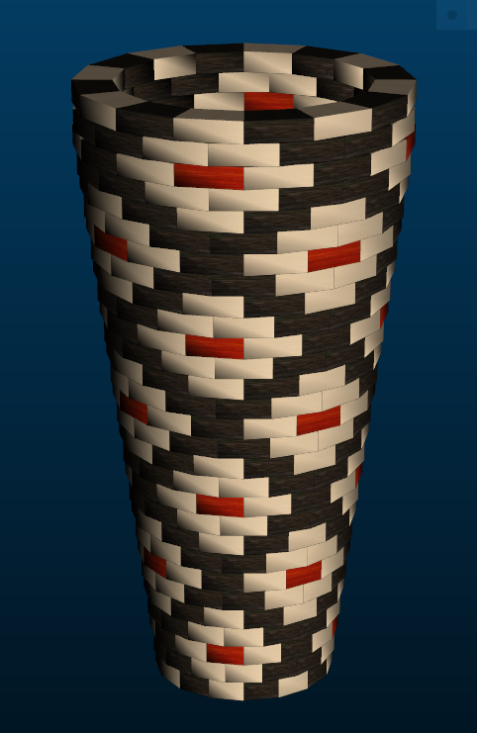
2 | 3.14 | 16.0 | 1.508 | 7.6" | 1.3" | 8 | 8 | 8 | 8
3 | 3.07 | 17.0 | 1.552 | 7.8" | 1.7" | 8 | 8.4 | 4 | 4.1 | 4 | 4.1
4 | 2.99 | 17.9 | 1.595 | 8" | 2.1" | 8 | 8.9 | 8 | 8.9
5 | 2.92 | 18.8 | 1.639 | 8.2" | 2.4" | 8 | 9.4 | 8 | 9.4
6 | 2.86 | 19.8 | 1.687 | 8.5" | 2.8" | 8 | 9.8 | 8 | 9.8
7 | 2.79 | 20.7 | 1.731 | 8.7" | 3.2" | 8 | 10.3 | 4 | 5.1 | 4 | 5.1
8 | 2.71 | 21.7 | 1.774 | 8.9" | 3.6" | 8 | 10.8 | 8 | 10.8
9 | 2.64 | 22.6 | 1.818 | 9.1" | 3.9" | 8 | 11.2 | 8 | 11.2
10 | 2.57 | 23.6 | 1.866 | 9.4" | 4.3" | 8 | 11.7 | 8 | 11.7
11 | 2.50 | 24.5 | 1.910 | 9.6" | 4.7" | 8 | 12.2 | 4 | 6 | 4 | 6
12 | 2.43 | 25.4 | 1.953 | 9.8" | 5.1" | 8 | 12.7 | 8 | 12.7
13 | 2.35 | 26.4 | 1.997 | 10" | 5.4" | 8 | 13.1 | 8 | 13.1
14 | 2.29 | 27.3 | 2.041 | 10.3" | 5.8" | 8 | 13.6 | 8 | 13.6
15 | 2.22 | 28.3 | 2.089 | 10.5" | 6.2" | 8 | 14.1 | 4 | 7 | 4 | 7
16 | 2.14 | 29.2 | 2.132 | 10.7" | 6.6" | 8 | 14.5 | 8 | 14.5
17 | 2.07 | 30.2 | 2.176 | 10.9" | 6.9" | 8 | 15 | 8 | 15
18 | 1.99 | 31.1 | 2.220 | 11.2" | 7.3" | 8 | 15.5 | 8 | 15.5
19 | 1.93 | 32.0 | 2.268 | 11.4" | 7.7" | 8 | 16 | 4 | 7.9 | 4 | 7.9
20 | 1.86 | 33.0 | 2.311 | 11.6" | 8.1" | 8 | 16.4 | 8 | 16.4
21 | 1.79 | 33.9 | 2.355 | 11.8" | 8.4" | 8 | 16.9 | 8 | 16.9
22 | 1.71 | 34.8 | 2.399 | 12.1" | 8.8" | 8 | 17.4 | 8 | 17.4
23 | 1.65 | 35.8 | 2.447 | 12.3" | 9.2" | 8 | 17.8 | 4 | 8.9 | 4 | 8.9
24 | 1.57 | 36.8 | 2.490 | 12.5" | 9.6" | 8 | 18.3 | 8 | 18.3
25 | 1.51 | 37.7 | 2.534 | 12.7" | 9.9" | 8 | 18.8 | 8 | 18.8
26 | 1.44 | 38.6 | 2.582 | 13" | 10.3" | 8 | 19.3 | 8 | 19.3
27 | 1.36 | 39.6 | 2.626 | 13.2" | 10.7" | 8 | 19.7 | 4 | 9.8 | 4 | 9.8
28 | 1.38 | 39.5 | 2.626 | 13.2" | 10.6" | 8 | 19.7 | 8 | 19.7
29 | 1.58 | 38.9 | 2.626 | 13.2" | 10.2" | 8 | 19.4 | 8 | 19.4

